Intro
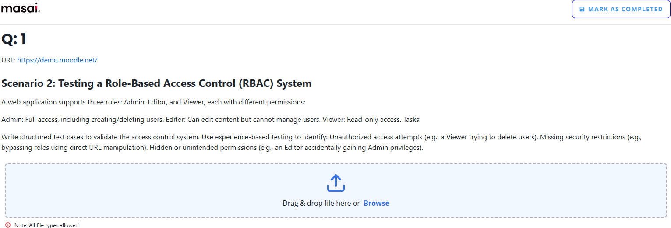

Product Name | Sandbox 5.0
URL | https://sandbox.moodledemo.net/
Start Date Time | 31 March 25, ~5:29 PM
End Date Time
Performed By | Routh. Kiran Babu

